Top5Trending
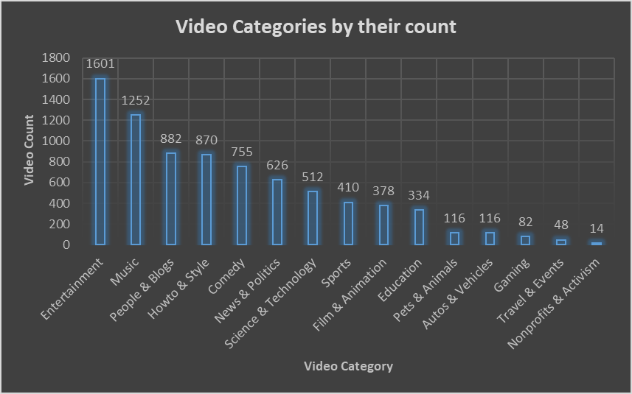
Video Categories by their count
Video Category | Video Count
Entertainment | 1601
Music | 1252
People & Blogs | 882
Howto & Style | 870
Comedy | 755
News & Politics | 626
Science & Technology | 512
Sports | 410
Film & Animation | 378
Education | 334
Pets & Animals | 116
Autos & Vehicles | 116
Gaming | 82
Travel & Events | 48
Nonprofits & Activism | 14

